Screenshots
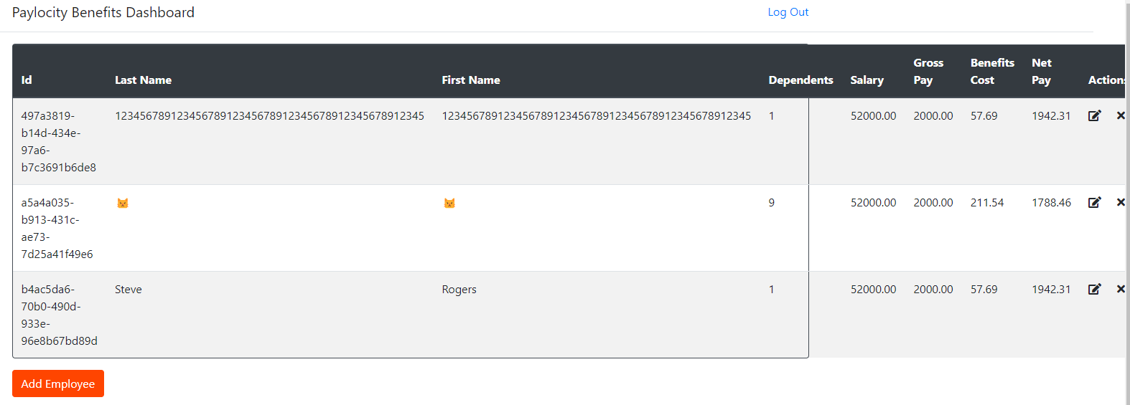
Incorrect Table Border Display

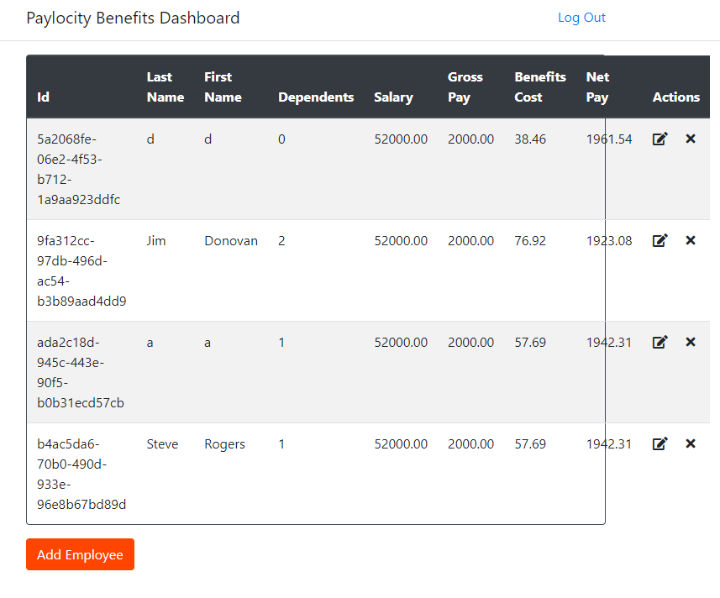
Incorrect Table Border Display

Form with No Data Appears When Accessing Link While Logged Out

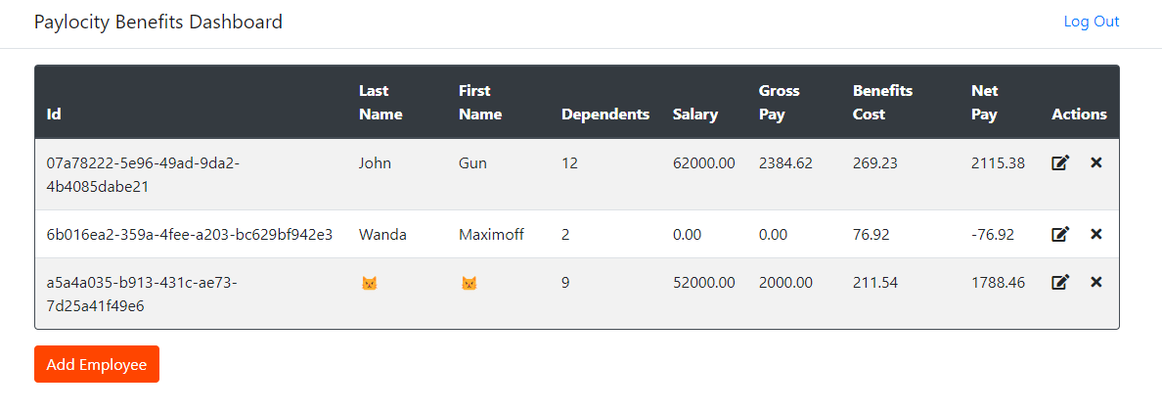
PUT Update Employee Able to Update Salary of Employee

